PCFO
&studynumber. JUST_L
&outputtype. &outputnumber. (&pagexofy.)
&outputtitle.
by compound, matrix, analyte and actual treatment
Analysis Set: &analysisset.

Compound: |  | , Matrix: |  | , Analyte:
Treatment:

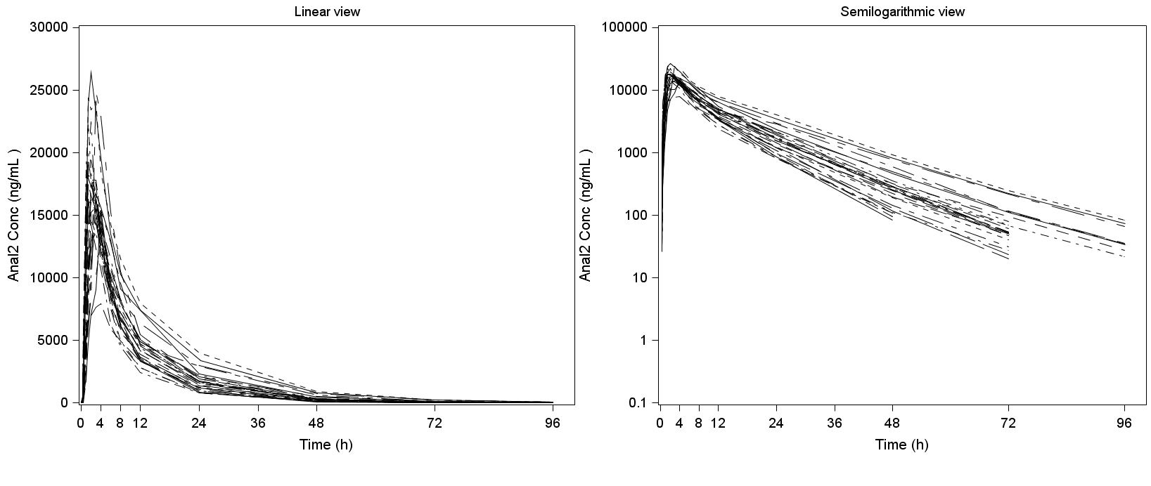

Values <LLOQ (10ng/mL) were considered as zero.
Data: &datasetname. Program: &programname..sas Output: &outputfilename..&outputformat.
&datamode Data/ &programmode. Run on %sysfunc(date(),date9.):%sysfunc(time(),time5.)

X | Y | PLOT |  |  |  |  |  | BY VARIABLES (headlines)
TP=input(eactm,best10.); | PCORRESN | temp_pkoverlay | TREATMENT=TRTA; | 20.8cm | 8.8cm | ORDERBY=compress( ANLPRNT||PCSPEC||PCTESTL||TRTAN); | CS=USUBJID | BYVAL1=ANLPRNT; | BYVAL2=PCSPEC ; | BYVAL3=PCTESTL; | BYVAL4=TRTA; | BYVAL5=DOSREFID; | BYVAL6=compbl(propcase(pctestcd)||' Conc '||' ('||PCORRESU||')');
$XVAR | $YVAR | view=1 _XLABEL="Time (h)" _TICKLIST="0 4 8 12 24 36 48 72 96" _XMAX=100 _YLABEL="BYVAL6" _LEGENDSIZE="14pt" GROUPVAR="CCS" $TEMPLATE |  | $IMGWIDTH | $IMGHEIGHT

PCFI
&studynumber. JUST_L
&outputtype. &outputnumber. (&pagexofy.)
&outputtitle.
by compound, matrix, analyte and actual treatment
Analysis Set: &analysisset.
Compound: | xxx | , Matrix: | xxx | , Analyte:
Subject:

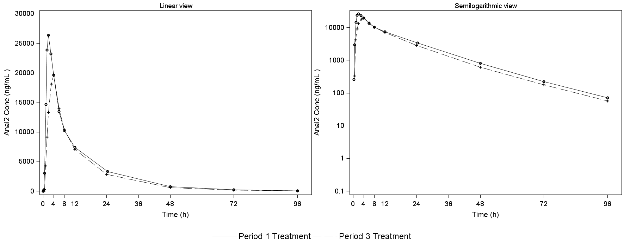

Values <LLOQ (10ng/mL) were considered as zero.
Data: &datasetname. Program: &programname..sas Output: &outputfilename..&outputformat.
&datamode Data/ &programmode. Run on %sysfunc(date(),date9.):%sysfunc(time(),time5.)

 |  | X | Y | PLOT |  | Width | Height | BY VARIABLES (headlines)
 |  | TP=input(EACTM,best10.); | PCORRESN | temp_pkindividual | TREATMENT=TRTAN; | 22.5cm | 8.8cm | BYVAL1=ANLPRNT; | BYVAL2=PCSPEC ; | BYVAL3=PCTESTL; | BYVAL4=CCS; | BYVAL5=compbl(propcase(pctestcd)||' Conc '||' ('||PCORRESU||')');
 |  | $XVAR | $YVAR | view=1 _XLABEL="Time (h)" _TICKLIST="0 4 8 12 24 36 48 72 96" _XMAX=100 _YLABEL="BYVAL5" _LEGENDSIZE="14pt" GROUPVAR="TREATMENT" $TEMPLATE |  | $IMGWIDTH | $IMGHEIGHT

PCFS
&studynumber. JUST_L
&outputtype. &outputnumber. (&pagexofy.)
&outputtitle.
Analysis Set: &analysisset.

Compound: | xxx | , Matrix: | xxx | , Analyte: | xxx

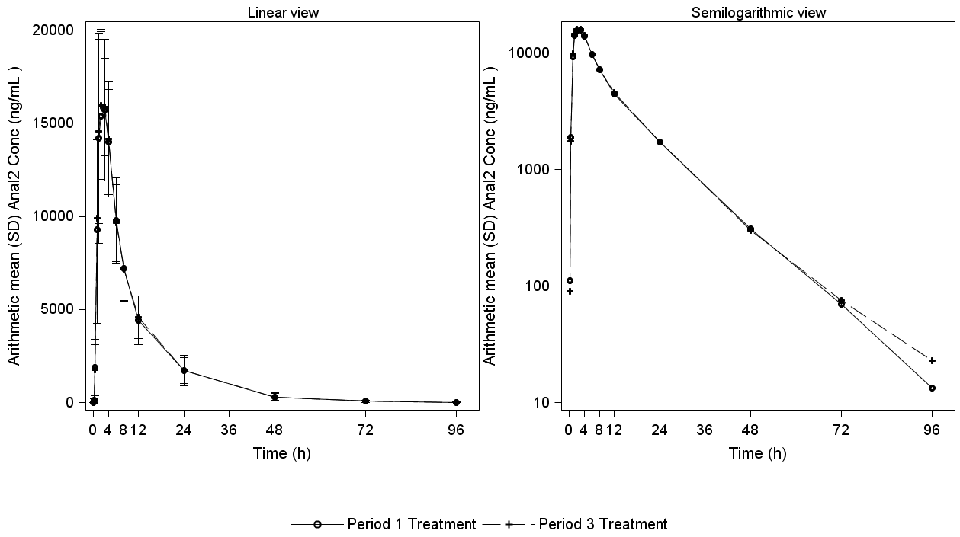

Values <LLOQ (10ng/mL) were considered as zero.
Data: &datasetname. Program: &programname..sas Output: &outputfilename..&outputformat.
&datamode Data/ &programmode. Run on %sysfunc(date(),date9.):%sysfunc(time(),time5.)

 | X | Y | PLOT |  | LEGEND (optional) | BY VARIABLES (headlines)
 | TP=input(EPLTM,best10.); | PCORRESN | temp_pksum | 16cm | TREATMENT=TRTAN; | BYVAL1=ANLPRNT; | BYVAL2=PCSPEC; | BYVAL3=PCTESTL; | BYVAL4=compbl('Arithmetic mean (SD) '||propcase(PCTESTCD)||' Conc '||'('||PCORRESU||')'); | BYVAL5='LINEAR';
 | $XVAR | $YVAR | gstat="mean" barr="Linear" view=1 _XLABEL="Time (h)" SCALE="BYVAL5" _YLABEL="BYVAL4" _XMAX=100 _LEGENDSIZE="11pt" TICKS= "0 4 8 12 24 36 48 72 96" $TEMPLATE | $IMGWIDTH

